Introduction
BQL Spotlight - June 2023

Welcome to our regular update for new and useful ways to use BQL to drive your analysis!

In this update:

 | Multi-Asset: Bloomberg Liquidity Assessment (LQA) via BQL |  | New Release: Bloomberg Liquidity Assessment (LQA) now available through BQL

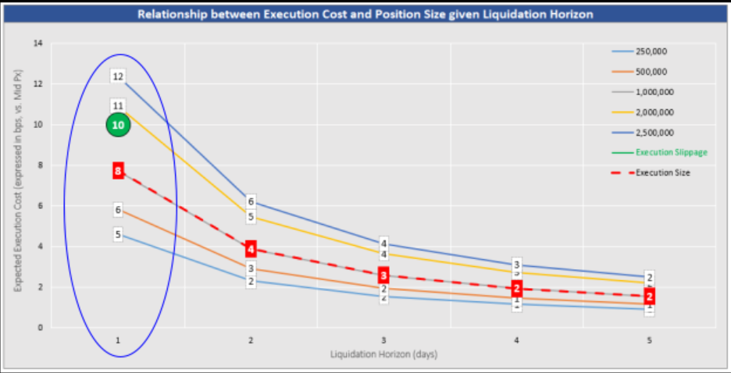
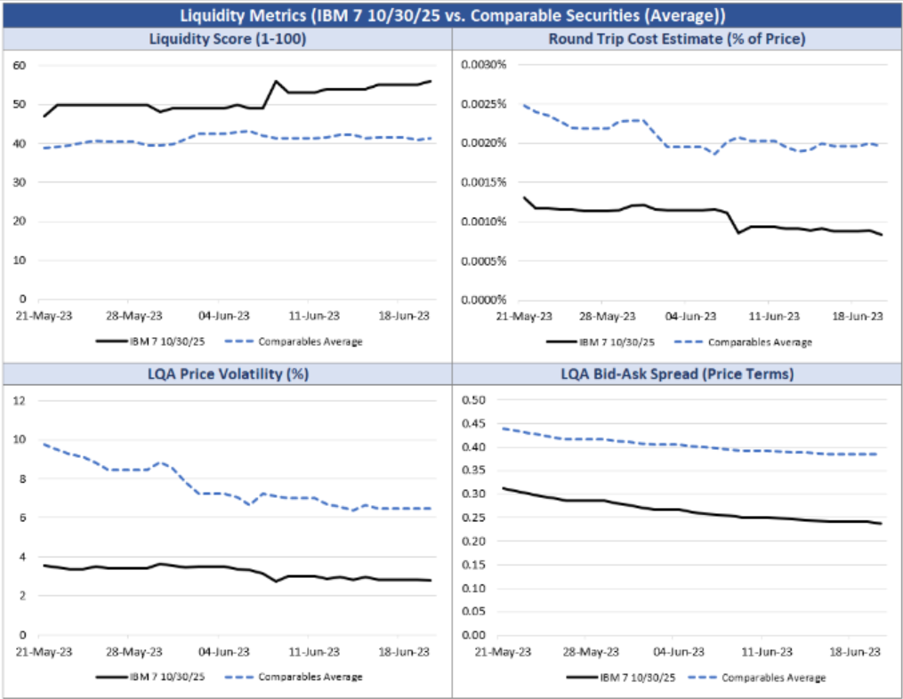

 | Equity: Index Fundamentals |  | New Release: Equity index fundamentals are now available through BQL
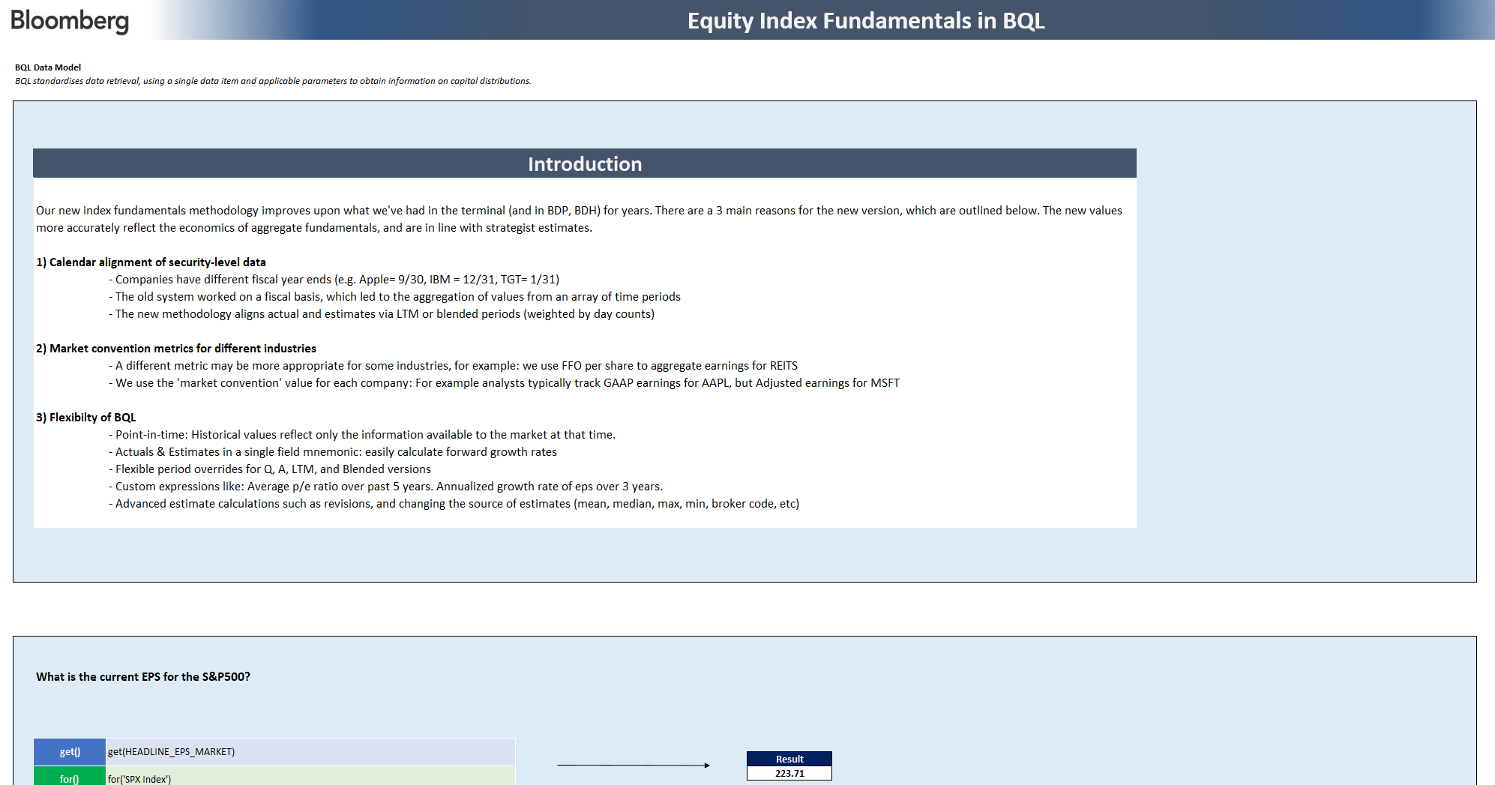

 | Help | For further information on BQL, visit the wide library of references available
 | BQL in Python | Discover BQuant, our interactive development platform

LQA BQL
Bloomberg's Liquidity Assessment Solution (LQA) in BQL

Bloomberg's Liquidity Assessment Solution (LQA) via BQL
Using BQL you can retrieve current or point in time liquidity metrics such as relative liquidity scores, round trip costs.
Analyze liquidation cost, horizon, volume metrics for a specific security under current or custom market conditions.
The examples below provide an overview of how to access and use the LQA dataset now available in BQL.
You can find the complete list of LQA data items, applicable parameters and defaults in the LQA Syntax tab.

Retrieve the LQA Bid-Ask Spread for IBM US Equity and IBM 7 10/30/25
View the =BQL() query here
View
=BQL.Query() here
View
=BQL.Query() here
 |  | View/Get() | LQA_BID_ASK_SPREAD as #Bid_Ask |  | ID | #Bid_Ask
 |  | Universe/For() | ['IBM US Equity','DD103619 Corp'] |  | IBM US Equity | 0.032
 |  |  |  |  | DD103619 Corp | 0.159
 |  | BQL Query | get(LQA_BID_ASK_SPREAD as #Bid_Ask) for(['IBM US Equity','DD103619 Corp'])

Retrieve the historical LQA Bid-Ask Spread for IBM US Equity

View
=BQL.Query() here
View
=BQL.Query() here
 |  | View/Get() | LQA_BID_ASK_SPREAD(Dates=Range(-10D,0D)) as #Bid_Ask |  | DATES | #Bid_Ask
 |  | Universe/For() | IBM US Equity |  | 2023-08-20 | 0.0293
 |  |  |  |  | 2023-08-21 | 0.0287
 |  | BQL Query | get(LQA_BID_ASK_SPREAD(Dates=Range(-10D,0D)) as #Bid_Ask) for(['IBM US Equity']) |  | 2023-08-22 | 0.0293
 |  |  |  |  | 2023-08-23 | 0.0301
 |  |  |  |  | 2023-08-24 | 0.0304
 |  |  |  |  | 2023-08-25 | 0.0306
 |  |  |  |  | 2023-08-26 | 0.0306
 |  |  |  |  | 2023-08-27 | 0.0306
 |  |  |  |  | 2023-08-28 | 0.0319
 |  |  |  |  | 2023-08-29 | 0.0318

Retrieve security-level LQA Liquidity Analytics for IBM US Equity and IBM 7 10/30/25

 |  | View/Get() | LIQUIDITY_SCORE().value as #score
 |  |  | LIQUIDITY_SECTOR_SCORE().value as #Sector_Score
 |  |  | LIQUIDITY_SECTOR().value as #Sector
 |  |  | ROUND_TRIP_LIQUIDITY_COST().value as #Round_Trip_Cost |  | ID | #score | #Sector_Score | #Sector | #Round_Trip_Cost | #EDV | #Price_Vol | #Bid_Ask
 |  |  | EXPECTED_DAILY_VOLUME().value as #EDV |  | IBM US Equity | 100.00 | 100.00 | Developed Americas | -9997.00 | 3846171.00 | 0.14 | 0.03
 |  |  | LQA_PRICE_VOLATILITY().value as #Price_Vol |  | DD103619 Corp | 54.00 | 77.00 | CORP IG NA | 0.00 | 4630157.20 | 0.02 | 0.16
 |  |  | LQA_BID_ASK_SPREAD().value as #Bid_Ask
 |  | Universe/For() | ['IBM US Equity','DD103619 Corp']

 |  | BQL Query | #N/A Optional parameter [FIELDS] expects a single array of values

Analyse LQA Liquidation Horizon and Time-to-Cash for IBM 7 10/30/25 given custom liquidation assumptions

 |  | View/Get() | LIQUIDATION_HORIZON |  | (days)
 |  |  | TIME_TO_CASH |  | LIQUIDATION_HORIZON | TIME_TO_CASH
 | Enter Custom Inputs | Input/Liquidation Volume | 5,000,000 |  | 1.3 | 4.0
 |  | Input/Liquidation Cost Type | BID
 |  | Input/Liquidation Cost | 20
 |  | Input/Factor Tgt Liq Cost | 1 | (not in use)
 |  | Input/Factor EDV | 1
Leave blank for Mean (default)
 |  | Input/Factor Price Vol | 1
 |  | Input/actor B-A Spread | 1
 |  | Input/Confidence Level | 75
 | Customised Params | Param/Liquidation Volume | TARGET_LIQUIDATION_VOLUME=5000000
 |  | Param/Liquidation Cost Type | TARGET_LIQUIDATION_COST_TYPE=BID
 |  | Param/Liquidation Cost | TARGET_LIQUIDATION_COST=0.002
 |  | Param/Factor EDV | FACTOR_EXPECTED_DAILY_VOLUME=1
 |  | Param/Factor Price Vol | FACTOR_PRICE_VOLATILITY=1
 |  | Param/Factor B-A Spread | FACTOR_BID_ASK_SPREAD=1
 |  | Param/Confidence Level | TARGET_COST_CONFIDENCE_LEVEL=75
 |  | Universe/For() | DD103619 Corp

 |  | BQL Query | get(LIQUIDATION_HORIZON,TIME_TO_CASH) for(['DD103619 Corp']) with(TARGET_LIQUIDATION_VOLUME=5000000,TARGET_LIQUIDATION_COST_TYPE=BID,TARGET_LIQUIDATION_COST=0.002,FACTOR_EXPECTED_DAILY_VOLUME=1,FACTOR_PRICE_VOLATILITY=1,FACTOR_BID_ASK_SPREAD=1,TARGET_COST_CONFIDENCE_LEVEL=75)

Get the weighted average (using index weights) liquidity score by sector BCLASS 2 and Duration Bucket for the Pan-European High Yield Index as of 2023-05-31

 |  | View/Get() | wavg(group(liquidity_score(Fill=Prev), [classification_name(bclass,2), bins(duration().value, [3,5,7,10,20], ['0-3','3-5','5-7','7-10','10-20','20+'])]),group(id().weights,[classification_name(bclass,2), bins(duration().value, [3,5,7,10,20], ['0-3','3-5','5-7','7-10','10-20','20+'])])) as #wAvg_Liquidity_Score |  | ID | #wAvg_Liquidity_Score
 |  |  |  |  | Financial Institutions:0-3 | #N/A
 |  |  |  |  | Financial Institutions:10-20 | 25
 |  |  |  |  | Financial Institutions:3-5 | 45
 |  |  |  |  | Financial Institutions:5-7 | 43
 |  | Universe/For() | filter(members('LP01TREU Index'), duration!=NA) |  | Financial Institutions:7-10 | 48
 |  | Global Param/With() | dates=2023-05-31 |  | Industrial:0-3 | #N/A
 |  |  | fill=prev |  | Industrial:10-20 | 42
 |  |  |  |  | Industrial:3-5 | 46
 |  |  |  |  | Industrial:5-7 | 43
 |  |  |  |  | Industrial:7-10 | 46
 |  |  |  |  | Utility:0-3 | #N/A
 |  | BQL Query | get(wavg(group(liquidity_score(Fill=Prev),[classification_name(bclass,2),bins(duration().value,[3,5,7,10,20],['0-3','3-5','5-7','7-10','10-20','20+'])]),group(id().weights,[classification_name(bclass,2),bins(duration().value,[3,5,7,10,20],['0-3','3-5','5-7','7-10','10-20','20+'])])) as #wAvg_Liquidity_Score) for(filter(members('LP01TREU Index'),duration!=NA)) with(dates=2023-05-31,fill=prev) |  | Utility:10-20 | 61
 |  |  |  |  | Utility:3-5 | 38
 |  |  |  |  | Utility:5-7 | 66
 |  |  |  |  | Utility:7-10 | 61

Execution analysis
When looking to execute a security that might not have a very active two-way market, it is often difficult to assess a fair price spread (bid offer).
LQA via BQL provides a model-driven estimate for single-security assessment of execution performance versus expected slippage cost (liquidation cost) for a range of liquidation horizons and position volumes.
The chart below illustrates the relationship between the liquidation horizon, position size, and slippage cost.
In this example, given a one-day liquidation horizon and a EUR 1 Million nominal size, LQA estimates a cost slippage of 8 bps (of price relative to mid). This compares to an expected (or realized) slippage of 10 bps, shown in green:

 | Note: For detailed documentation and practical use cases, please see the help file on BQLX <GO> in the Terminal using the link below:
 | https://blinks.bloomberg.com/screens/BQLX |  |  | >> BQL for Fixed Income >> Scroll down to 'Fixed Income Tutorials and Workflows' >> Bloomberg Liquidity Assessment (LQA) in BQL

Evaluating the market liquidity landscape
You can evaluate the market liquidity landscape for a list of securities where traditional risk or performance measures do not provide insights into ease of execution.
Leverage BQL to perform an assessment of how the liquidity profile of your target security compares to similar securities in the current market environment and over time.
Taking an example of the IBM 7 2025 bond, the dashboard below shows securities with similar yields, credit ratings, and sectors, but with different liquidity profiles. Even where securities are issued by a single entity (e.g. IBM), LQA measures present opportunities to further refine security selection:
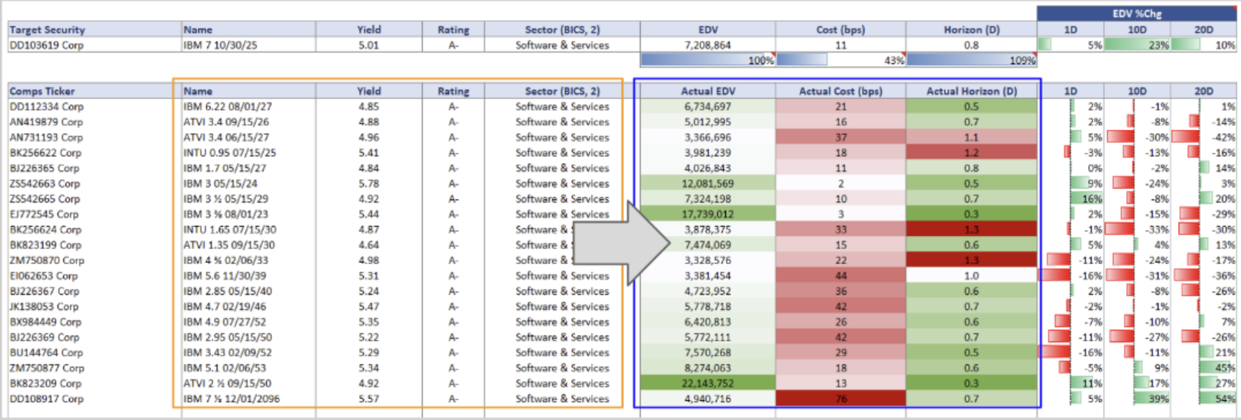

 | Note: For detailed documentation and practical use cases, please see the help file on BQLX <GO> in the Terminal using the link below:
 | https://blinks.bloomberg.com/screens/BQLX |  |  | >> BQL for Fixed Income >> Scroll down to 'Fixed Income Tutorials and Workflows' >> Bloomberg Liquidity Assessment (LQA) in BQL

LQA BQL Syntax
Bloomberg's Liquidity Assessment Solution (LQA) in BQL

What is Bloomberg's Liquidity Assessment Solution (LQA)?
Bloomberg’s award winning solution for Liquidity Assessment (LQA) provides objective quantitative evaluation of market liquidity across multiple asset classes.
LQA allows you to evaluate time, size and cost for around 5 million securities using a data driven approach, calibrated daily to market levels. The model allows for fully user customised requests at security, position or portfolio level.
Its data-driven model based on trade and quote data lets you assess the relationship between volume, cost, and time at the position-level under current and historical market conditions.
It helps you measure liquidity based on the security's liquidation cost (i.e. deviation of the liquidation price from the mid-price), and liquidation horizon (i.e. estimated number of trading days required to liquidate a given volume) at different volumes under different market scenarios.

LQA enhances risk management and investment processes:
• Estimating liquidation cost and horizon at security, position and portfolio level
• Comparing liquidity analytics across asset classes and global coverage using consistent outputs
• Delivering a customizable model to allow firm-specific views to be incorporated, along with scenario and stress testing

Please note that effective October 14, 2022, Bloomberg launched a new version of LQA’s model for government, supranational, agency and corporate bonds (GSAC). Review the documentation linked below to learn more.

Learn more about Bloomberg's Liquidity Assessment Solution (LQA)
Access LQA documentation here
Access LQA white paper here

What is New?
Bloomberg’s liquidity assessment solution dataset (LQA) is now a available via BQL (Bloomberg Query Language).
Enrich your pre-trade market liquidity assessments combining BQL capabilities and flexibility with Bloomberg's liquidity solutions.
Analyse liquidity trends and driving factors, estimate the expected time to find an execution opportunity, assess slippage cost from a reference price or evaluate how large market capacity may be for a given universe based upon liquidation cost constraints.
Gain insights into the time it takes to liquidate your position(s) or portfolio with custom liquidation parameters and market conditions.
Explore below the LQA dataset now available in BQL, learn about the available fields, parameters and default values.
Please note that effective October 14, 2022, Bloomberg launched a new version of LQA’s model for government, supranational, agency and corporate bonds (GSAC) and historical data in BQL is available back to July 1st, 2022.

BQL Data Items for Custom Liquidity Assessments - LQA Model Output Fields

In the Bloomberg Terminal, LQA<GO> would allow you to visualise and analyse this dataset.
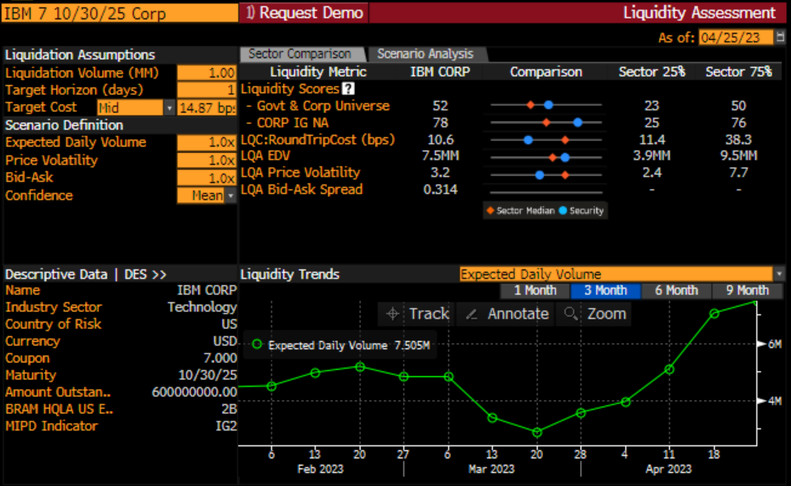
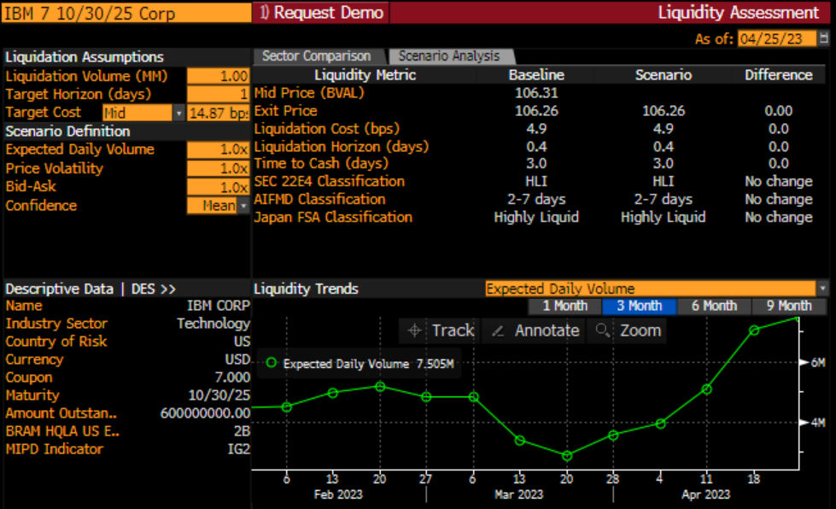

Security Level Output Fields
Security level fields are independent of any model overrides given to the model (except for dates).

Measure Type | Data Item Mnemonic | Data Item Description |  | (Optional) Parameters | (Optional) Parameters Description & Default
Coverage Indicator | LQA_COVERAGE_INDICATOR | Reflects whether or not an instrument is covered by the Bloomberg Liquidity Assessment (LQA) model. Returns 0 when covered, else 1-x if not covered. |  | DATES | Dates allows user to specify a single date or a range of dates. Required format is YYYY-MM-DD. Default value is T-1. Single (Absolute date) : dates=2023-04-01 Single (Relative date) : dates=-10d Range (Relative dates): dates=range(-30d,0d) Range (Absolute dates): dates=range(2023-03-01,2023-04-01)
Average Bid-Ask | LQA_BID_ASK_SPREAD | Average bid-ask cost
Estimated Market Depth | EXPECTED_DAILY_VOLUME | Estimated Market depth
Historical Price Volatility | LQA_PRICE_VOLATILITY | Annualised historical price volatility
Relative Score (Global) | LIQUIDITY_SCORE | Rank of 1-day average liquidation cost relative to entire asset class universe
Relative Score (Sector) | LIQUIDITY_SECTOR_SCORE | Rank of 1-day average liquidation cost relative to asset class sector
Relative Score (Sector Label) | LIQUIDITY_SECTOR | Name of asset class sector
Round Trip Trade Cost (Uniform Trade Size) | ROUND_TRIP_LIQUIDITY_COST | Liquidation cost to cross for a buy & sell trade over a 1-day horizon for a typical institutional sized trade ($1m Corp, $10m Govt)
*DATES() accepts single date and range. Required format is YYYY-MM-DD. History available back to July 1st, 2022. Default model data is as of T-1.

Primary Position Level Output Fields
Position level measures will respond to model inputs/overrides.

Measure Type | Data Item Mnemonic | Data Item Description | (Optional) Parameters | (Optional) Parameter Descriptions | (Optional) Parameters Defaults
Liquidation Cost | LIQUIDATION_COST | Liquidation cost conditional upon time horizon and position size | DATES | Model evaluation date | T-1
 |  |  | TARGET_LIQUIDATION_VOLUME | Chosen liquidation volume | Fixed Income (Corp & Govt): 1% of outstanding amount. Equity 20% of 20 day ADV
 |  |  | TARGET_LIQUIDATION_HORIZON | Chosen liquidation horizon | 1 day
 |  |  | EXPECTED_DAILY_VOLUME | Estimated market depth measure | EXPECTED_DAILY_VOLUME
 |  |  | PRICE_VOLATILITY | Annualised historic price volatility | PRICE_VOLATILITY
 |  |  | BID_ASK_SPREAD | Average bid ask spread | BID_ASK_SPREAD
 |  |  | FACTOR_EXPECTED_DAILY_VOLUME | Scalar for EDV level | 1 (i.e. 100%)
 |  |  | FACTOR_PRICE_VOLATILITY | Scalar for Price volatility | 1 (i.e. 100%)
 |  |  | FACTOR_BID_ASK_SPREAD | Scalar for bid-ask spread level | 1 (i.e. 100%)
 |  |  | TARGET_COST_CONFIDENCE_LEVEL | Chosen confidence interval | Mean (note this may not equate to the 50th centile). Leave parameter blank in the query to use Mean.
 |  |  | SCENARIO | Predetermined Stress shock name | Current (Equates to all FACTOR shocks being set to 1)
 |  |  | MARKET_RISK_FLAG | Incorporates Price volatility into the liquidation cost distribution | Y
Liquidation Horizon | LIQUIDATION_HORIZON | Liquidation time conditional upon cost constraint and position size | DATES | Model evaluation date | T-1
 |  |  | TARGET_LIQUIDATION_VOLUME | Chosen liquidation volume | Fixed Income (Corp & Govt): 1% of outstanding amount. Equity 20% of 20 day ADV
 |  |  | TARGET_LIQUIDATION_COST | Chosen liquidation cost | Fixed Income (Corp & Govt): 1/2 LQA Bid Ask spread. Equity: Cost to execute 20% of 20 day ADV in 1 day
 |  |  | TARGET_LIQUIDATION_COST_TYPE | Choice of liquidation cost reference measure | Mid (i.e. target liquidation cost assessed from mid market price)
 |  |  | EXPECTED_DAILY_VOLUME | Estimated market depth measure | EXPECTED_DAILY_VOLUME
 |  |  | PRICE_VOLATILITY | Annualised historic price volatility | PRICE_VOLATILITY
 |  |  | BID_ASK_SPREAD | Average bid ask spread | BID_ASK_SPREAD
 |  |  | FACTOR_EXPECTED_DAILY_VOLUME | Scalar for EDV level | 1 (i.e. 100%)
 |  |  | FACTOR_PRICE_VOLATILITY | Scalar for Price volatility | 1 (i.e. 100%)
 |  |  | FACTOR_BID_ASK_SPREAD | Scalar for bid-ask spread level | 1 (i.e. 100%)
 |  |  | TARGET_COST_CONFIDENCE_LEVEL | Chosen confidence interval | Mean (note this may not equate to the 50th centile). Leave parameter blank in the query to use Mean.
 |  |  | FACTOR_TARGET_LIQUIDATION_COST | Scalar for liquidation cost | 1 (i.e. 100%)
 |  |  | SCENARIO | Predetermined Stress shock name | 1 (used as a scalar when TARGET_LIQUIDATION_COST_TYPE is set to BA or DV)
 |  |  | MARKET_RISK_FLAG | Incorporates Price volatility into the liquidation cost distribution | Y
Liquidation Horizon | TIME_TO_CASH | Number of days required to convert position into cash | DATES | Model evaluation date | T-1
 |  |  | TARGET_LIQUIDATION_VOLUME | Chosen liquidation volume | Fixed Income (Corp & Govt): 1% of outstanding amount. Equity 20% of 20 day ADV
 |  |  | TARGET_LIQUIDATION_COST | Chosen liquidation cost | Fixed Income (Corp & Govt): 1/2 LQA Bid Ask spread. Equity: Cost to execute 20% of 20 day ADV in 1 day
 |  |  | TARGET_LIQUIDATION_COST_TYPE | Choice of liquidation cost reference measure | Mid (i.e. target liquidation cost assessed from mid market price)
 |  |  | EXPECTED_DAILY_VOLUME | Estimated market depth measure | EXPECTED_DAILY_VOLUME
 |  |  | PRICE_VOLATILITY | Annualised historic price volatility | PRICE_VOLATILITY
 |  |  | BID_ASK_SPREAD | Average bid ask spread | BID_ASK_SPREAD
 |  |  | FACTOR_EXPECTED_DAILY_VOLUME | Scalar for EDV level | 1 (i.e. 100%)
 |  |  | FACTOR_PRICE_VOLATILITY | Scalar for Price volatility | 1 (i.e. 100%)
 |  |  | FACTOR_BID_ASK_SPREAD | Scalar for bid-ask spread level | 1 (i.e. 100%)
 |  |  | TARGET_COST_CONFIDENCE_LEVEL | Chosen confidence interval | Mean (note this may not equate to the 50th centile). Leave parameter blank in the query to use Mean.
 |  |  | SCENARIO | Predetermined Stress shock name | Current (Equates to all FACTOR shocks being set to 1)
 |  |  | FACTOR_TARGET_LIQUIDATION_COST | Scalar for liquidation cost | 1 (used as a scalar when TARGET_LIQUIDATION_COST_TYPE is set to BA or DV)
 |  |  | MARKET_RISK_FLAG | Incorporates Price volatility into the liquidation cost distribution | Y
Liquidation Volume | LIQUIDATION_VOLUME | Liquidation volume estimate conditional upon time and cost constraints | DATES | Model evaluation date | T-1
 |  |  | TARGET_LIQUIDATION_HORIZON | Chosen liquidation horizon | 1 day
 |  |  | TARGET_LIQUIDATION_COST | Chosen liquidation cost | Fixed Income (Corp & Govt): 1/2 LQA Bid Ask spread. Equity: Cost to execute 20% of 20 day ADV in 1 day
 |  |  | TARGET_LIQUIDATION_COST_TYPE | Choice of liquidation cost reference measure | Mid (i.e. target liquidation cost assessed from mid market price)
 |  |  | EXPECTED_DAILY_VOLUME | Estimated market depth measure | EXPECTED_DAILY_VOLUME
 |  |  | PRICE_VOLATILITY | Annualised historic price volatility | PRICE_VOLATILITY
 |  |  | BID_ASK_SPREAD | Average bid ask spread | BID_ASK_SPREAD
 |  |  | FACTOR_EXPECTED_DAILY_VOLUME | Scalar for EDV level | 1 (i.e. 100%)
 |  |  | FACTOR_PRICE_VOLATILITY | Scalar for Price volatility | 1 (i.e. 100%)
 |  |  | FACTOR_BID_ASK_SPREAD | Scalar for bid-ask spread level | 1 (i.e. 100%)
 |  |  | TARGET_COST_CONFIDENCE_LEVEL | Chosen confidence interval | Mean (note this may not equate to the 50th centile). Leave parameter blank in the query to use Mean.
 |  |  | SCENARIO | Predetermined Stress shock name | Current (Equates to all FACTOR shocks being set to 1)
 |  |  | FACTOR_TARGET_LIQUIDATION_COST | Scalar for liquidation cost | 1 (used as a scalar when TARGET_LIQUIDATION_COST_TYPE is set to BA or DV)
 |  |  | MARKET_RISK_FLAG | Incorporates Price volatility into the liquidation cost distribution | Y
*DATES() accepts single date and range. Required format is YYYY-MM-DD. History available back to July 1st, 2022. Default model data is as of T-1.

Secondary Position Level Output Fields
Secondary position level output fields are mainly used as input fields/parameters to the model. However, these could also be used as outputs to display default values.

Measure Type | Data Item Mnemonic | Data Item Descriptions |  | (Optional) Parameters | (Optional) Parameters Descriptions
Liquidation Volume | TARGET_LIQUIDATION_VOLUME | Indicates position size used in model |  | DATES | Dates allows user to specify a single date or a range of dates. Required format is YYYY-MM-DD. Default value is T-1. Single (Absolute date) : dates=2023-04-01 Single (Relative date) : dates=-10d Range (Relative dates): dates=range(-30d,0d) Range (Absolute dates): dates=range(2023-03-01,2023-04-01)
Liquidation Horizon | TARGET_LIQUIDATION_HORIZON | Indicates time constraint used in model
Liquidation Cost | TARGET_LIQUIDATION_COST | Indicates cost constraint used in model
Liquidation Cost | TARGET_LIQUIDATION_COST_TYPE | Indicates what reference is used for the target liquidation cost measure
Confidence level | TARGET_COST_CONFIDENCE_LEVEL | Indicates the confidence level of the mean value over the LQA Liquidation Cost probability distribution. (50% confidence=median)
*DATES() accepts single date and range. Required format is YYYY-MM-DD. History available back to July 1st, 2022. Default model data is as of T-1.

Buyside Regulatory Output Fields
Position level output fields providing liquidity classification details.

Classification | Mnemonic | Description | (Optional) Parameters | (Optional) Parameter Description | (Optional) Parameters Defaults
AIFMD | AIFMD_CLASSIFICATION | Provides a position liquidity classification according to the AIFMD Annex IV liquidity reporting rules. | DATES | Model evaluation date | T-1
 |  |  | TARGET_LIQUIDATION_VOLUME | Chosen liquidation volume | Fixed Income (Corp & Govt): 1% of outstanding amount. Equity 20% of 20 day ADV
 |  |  | TARGET_LIQUIDATION_HORIZON | Chosen liquidation horizon | 1 day
 |  |  | TARGET_LIQUIDATION_COST | Chosen liquidation cost | Fixed Income (Corp & Govt): 1/2 LQA Bid Ask spread. Equity: Cost to execute 20% of 20 day ADV in 1 day
 |  |  | TARGET_LIQUIDATION_COST_TYPE | Choice of liquidation cost reference measure | Mid (i.e. target liquidation cost assessed from mid market price)
 |  |  | EXPECTED_DAILY_VOLUME | Estimated market depth measure | EXPECTED_DAILY_VOLUME
 |  |  | PRICE_VOLATILITY | Annualised historic price volatility | PRICE_VOLATILITY
 |  |  | BID_ASK_SPREAD | Average bid ask spread | BID_ASK_SPREAD
 |  |  | FACTOR_EXPECTED_DAILY_VOLUME | Scalar for EDV level | 1 (i.e. 100%)
 |  |  | FACTOR_PRICE_VOLATILITY | Scalar for Price volatility | 1 (i.e. 100%)
 |  |  | FACTOR_BID_ASK_SPREAD | Scalar for bid-ask spread level | 1 (i.e. 100%)
 |  |  | TARGET_COST_CONFIDENCE_LEVEL | Chosen confidence interval | Mean (note this may not equate to the 50th centile). Leave parameter blank in the query to use Mean.
 |  |  | SCENARIO | Predetermined Stress shock name | Current (Equates to all FACTOR shocks being set to 1)
 |  |  | FACTOR_TARGET_LIQUIDATION_COST | Scalar for liquidation cost | 1 (used as a scalar when TARGET_LIQUIDATION_COST_TYPE is set to BA or DV)
 |  |  | MARKET_RISK_FLAG | Incorporates Price volatility into the liquidation cost distribution | Y
 |  |  | FILL | Fill When Data is Missing | NA
SEC 22e4 | SEC_22E4_CLASSIFICATION | Provides a position liquidity classification according to the Securities and Exchange Commission's (SEC) 22e-4 rule. | DATES | Model evaluation date | T-1
 |  |  | TARGET_LIQUIDATION_VOLUME | Chosen liquidation volume | Fixed Income (Corp & Govt): 1% of outstanding amount. Equity 20% of 20 day ADV
 |  |  | TARGET_LIQUIDATION_HORIZON | Chosen liquidation horizon | 1 day
 |  |  | TARGET_LIQUIDATION_COST | Chosen liquidation cost | Fixed Income (Corp & GOvt): 1/2 LQA Bid Ask spread. Equity: Cost to execute 20% of 20 day ADV in 1 day
 |  |  | TARGET_LIQUIDATION_COST_TYPE | Choice of liquidation cost reference measure | Mid (i.e. target liquidation cost assessed from mid market price)
 |  |  | EXPECTED_DAILY_VOLUME | Estimated market depth measure | EXPECTED_DAILY_VOLUME
 |  |  | PRICE_VOLATILITY | Annualised historic price volatility | PRICE_VOLATILITY
 |  |  | BID_ASK_SPREAD | Average bid ask spread | BID_ASK_SPREAD
 |  |  | FACTOR_EXPECTED_DAILY_VOLUME | Scalar for EDV level | 1 (i.e. 100%)
 |  |  | FACTOR_PRICE_VOLATILITY | Scalar for Price volatility | 1 (i.e. 100%)
 |  |  | FACTOR_BID_ASK_SPREAD | Scalar for bid-ask spread level | 1 (i.e. 100%)
 |  |  | TARGET_COST_CONFIDENCE_LEVEL | Chosen confidence interval | Mean (note this may not equate to the 50th centile). Leave parameter blank in the query to use Mean.
 |  |  | SCENARIO | Predetermined Stress shock name | Current (Equates to all FACTOR shocks being set to 1)
 |  |  | FACTOR_TARGET_LIQUIDATION_COST | Scalar for liquidation cost | 1 (used as a scalar when TARGET_LIQUIDATION_COST_TYPE is set to BA or DV)
 |  |  | MARKET_RISK_FLAG | Incorporates Price volatility into the liquidation cost distribution | Y
 |  |  | INCLUDE_CURRENT_DAY | Choice to include/exclude current day in SEC 22e4 Classification | Y
 |  |  | FILL | Fill When Data is Missing | NA
Japan FSA | JAPAN_FSA_CLASSIFICATION | Provides a position liquidity classification according to the Japan Financial Services Agency liquidity rules. | DATES | Model evaluation date | T-1
 |  |  | TARGET_LIQUIDATION_VOLUME | Chosen liquidation volume | Fixed Income (Corp & Govt): 1% of outstanding amount. Equity 20% of 20 day ADV
 |  |  | TARGET_LIQUIDATION_HORIZON | Chosen liquidation horizon | 1 day
 |  |  | TARGET_LIQUIDATION_COST | Chosen liquidation cost | Fixed Income (Corp & Govt): 1/2 LQA Bid Ask spread. Equity: Cost to execute 20% of 20 day ADV in 1 day
 |  |  | TARGET_LIQUIDATION_COST_TYPE | Choice of liquidation cost reference measure | Mid (i.e. target liquidation cost assessed from mid market price)
 |  |  | EXPECTED_DAILY_VOLUME | Estimated market depth measure | EXPECTED_DAILY_VOLUME
 |  |  | PRICE_VOLATILITY | Annualised historic price volatility | PRICE_VOLATILITY
 |  |  | BID_ASK_SPREAD | Average bid ask spread | BID_ASK_SPREAD
 |  |  | FACTOR_EXPECTED_DAILY_VOLUME | Scalar for EDV level | 1 (i.e. 100%)
 |  |  | FACTOR_PRICE_VOLATILITY | Scalar for Price volatility | 1 (i.e. 100%)
 |  |  | FACTOR_BID_ASK_SPREAD | Scalar for bid-ask spread level | 1 (i.e. 100%)
 |  |  | TARGET_COST_CONFIDENCE_LEVEL | Chosen confidence interval | Mean (note this may not equate to the 50th centile). Leave parameter blank in the query to use Mean.
 |  |  | SCENARIO | Predetermined Stress shock name | Current (Equates to all FACTOR shocks being set to 1)
 |  |  | FACTOR_TARGET_LIQUIDATION_COST | Scalar for liquidation cost | 1 (used as a scalar when TARGET_LIQUIDATION_COST_TYPE is set to BA or DV)
 |  |  | MARKET_RISK_FLAG | Incorporates Price volatility into the liquidation cost distribution | Y
 |  |  | SIGNIFICANT_MARKET_IMPACT_COST | Allows specification of signification market impact cost for Japan FSA Classification | Fixed Income (Corp & Govt): 1/2 LQA Bid Ask spread. Equity: Cost to execute 20% of 20 day ADV in 1 day
 |  |  | SIGNIFICANT_MARKET_IMPACT_COST_SOURCE | Choice of liquidation cost reference measure for Japan FSA Classification | MID (i.e. target liquidation cost assessed relative to MID market price)
 |  |  | FILL | Fill When Data is Missing | NA
*DATES() accepts single date and range. Required format is YYYY-MM-DD. History available back to July 1st, 2022. Default model data is as of T-1.

Equity Index Fundamentals
Equity Index Fundamentals in BQL

BQL Data Model
BQL standardises data retrieval, using a single data item and applicable parameters to obtain information on capital distributions.

 | Introduction

 | Our new index fundamentals methodology improves upon what we have had in the terminal (and in BDP, BDH) for years. There are a 3 main reasons for the new version, which are outlined below. The new values more accurately reflect the economics of aggregate fundamentals, and are in line with strategist estimates.

 | 1) Calendar alignment of security-level data
 |  | - Companies have different fiscal year ends (e.g. Apple= 9/30, IBM = 12/31, TGT= 1/31)
 |  | - The old system worked on a fiscal basis, which led to the aggregation of values from an array of time periods
 |  | - The new methodology aligns actual and estimates via LTM or blended periods (weighted by day counts)

 | 2) Market convention metrics for different industries
 |  | - A different metric may be more appropriate for some industries, for example: we use FFO per share to aggregate earnings for REITS
 |  | - We use the 'market convention' value for each company: For example analysts typically track GAAP earnings for AAPL, but Adjusted earnings for MSFT

 | 3) Flexibilty of BQL
 |  | - Point-in-time: Historical values reflect only the information available to the market at that time.
 |  | - Actuals & Estimates in a single field mnemonic: easily calculate forward growth rates
 |  | - Flexible period overrides for Q, A, LTM, and Blended versions
 |  | - Custom expressions like: Average p/e ratio over past 5 years. Annualized growth rate of eps over 3 years.
 |  | - Advanced estimate calculations such as revisions, and changing the source of estimates (mean, median, max, min, broker code, etc)

 | Note: Several example formulas are presented below for introductory purposes. For detailed documentation and practical use cases, please see the help file on BQLX <GO> in the Terminal using the link below:

 | https://blinks.bloomberg.com/screens/BQLX |  | >> BQL for Equities >> scroll down to "Equities Tutorials and Workflows" >> BQL for Index Financials

 | What is the current EPS for the S&P500?

 | get() | get(HEADLINE_EPS_MARKET)
 |  |  |  | Result
 | for() | for('SPX Index') |  | 219.75

 | What is next year's EPS estimate for the S&P500?

 | get() | get(HEADLINE_EPS_MARKET)

 | for() | for('SPX Index') |  |  | Result
 |  |  |  |  | 222.75
 | with() | with (FPO=1, FPT=A)

 | What is the 2024 EPS estimate for the S&P500?

 | get() | get(HEADLINE_EPS_MARKET)

 | for() | for('SPX Index') |  |  | Result
 |  |  |  |  | 244.71
 | with() | with (FPR = 2024)

 | What were the next year EPS revisions for the S&P500 over the last week? |  |  |  |  | SPX Index
 |  |  |  |  | DATES | HEADLINE_EPS_MARKET
 |  |  |  |  | 2023-08-23 | 222.13
 | get() | get(HEADLINE_EPS_MARKET) |  |  | 2023-08-24 | 222.44
 |  |  |  |  | 2023-08-25 | 222.65
 | for() | for('SPX Index') |  |  | 2023-08-26 | 222.67
 |  |  |  |  | 2023-08-27 | 222.65
 | with() | with (FPO=1, FPT=A, dates=range(-1w,0d)) |  |  | 2023-08-28 | 222.67
 |  |  |  |  | 2023-08-29 | 222.75
 |  |  |  |  | 2023-08-30 | #N/A

 | What is the 5 year average of NTM forward P/E for the S&P500?

 | get() | get(avg(HEADLINE_EPS_MARKET))

 | for() | for('SPX Index') |  |  | Result
 |  |  |  |  | 194.38
 | with() | with (FPO=1, FPT=BT, dates=range(-5y,0d))

 | Example Use Case: Stock-to-Index Relative Valuation

 | Apple/S&P500 Relative P/E over time
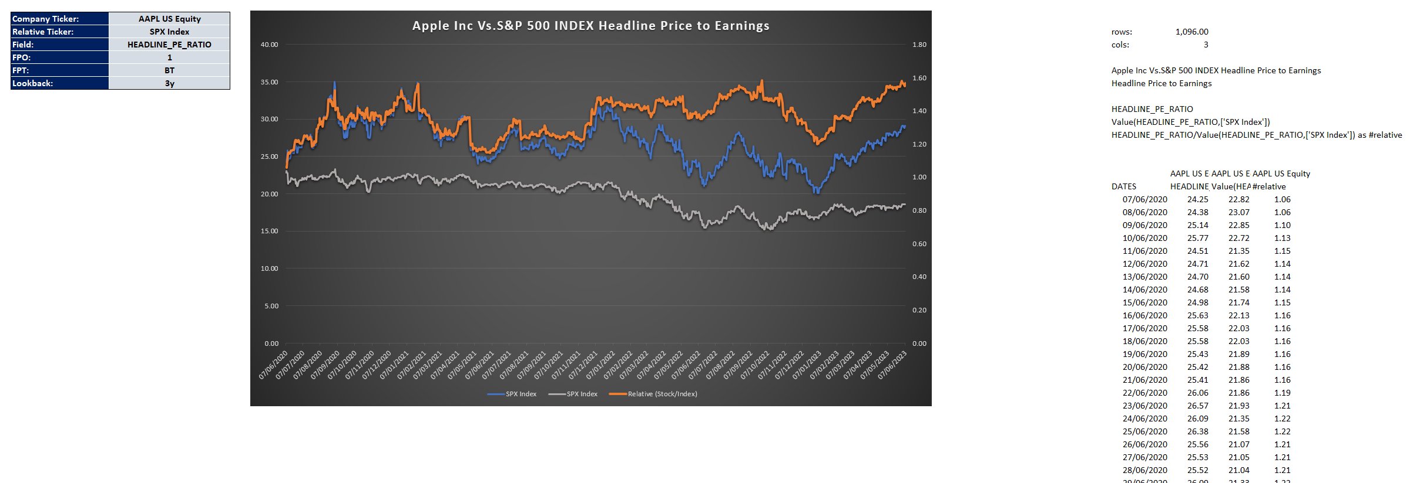

 | Note: For detailed documentation and practical use cases, please see the help file on BQLX <GO> in the Terminal using the link below:

 | https://blinks.bloomberg.com/screens/BQLX |  | >> BQL for Equities >> scroll down to "Equities Tutorials and Workflows" >> BQL for Index Financials

 |  |  |  |  |  |  | FSEA US Equity | First Seacoast Bancorp Inc

Help
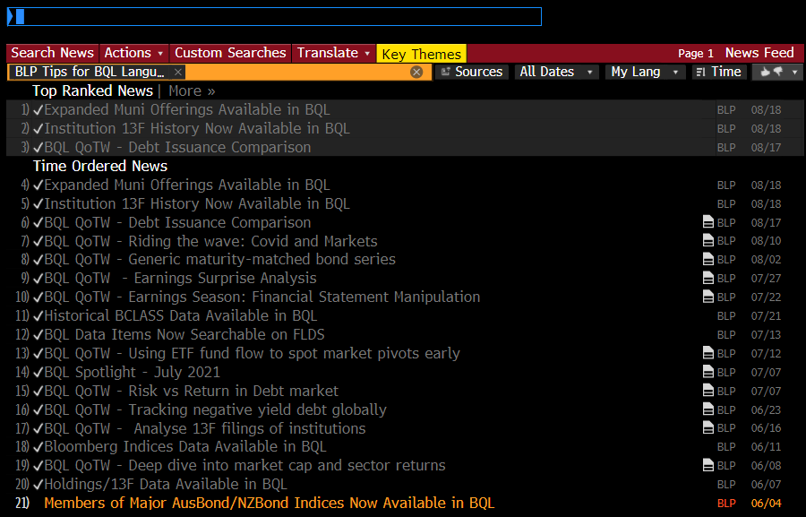
More on BQL

For more information as well as past editions of the BQL Spotlight, visit BQLX on the Bloomberg Terminal by clicking here: |  | BQLX

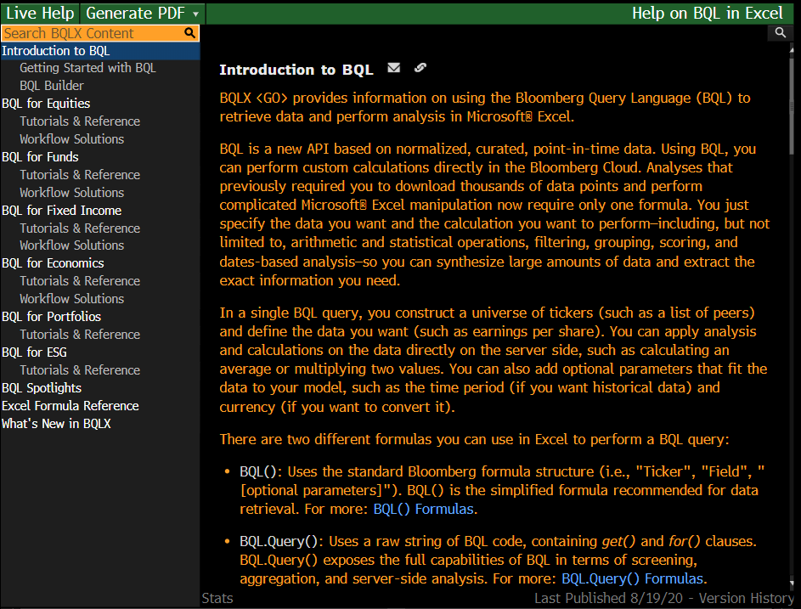

BQL Spotlights

For the full BQL Functions Reference, click here: | BQL Function Reference

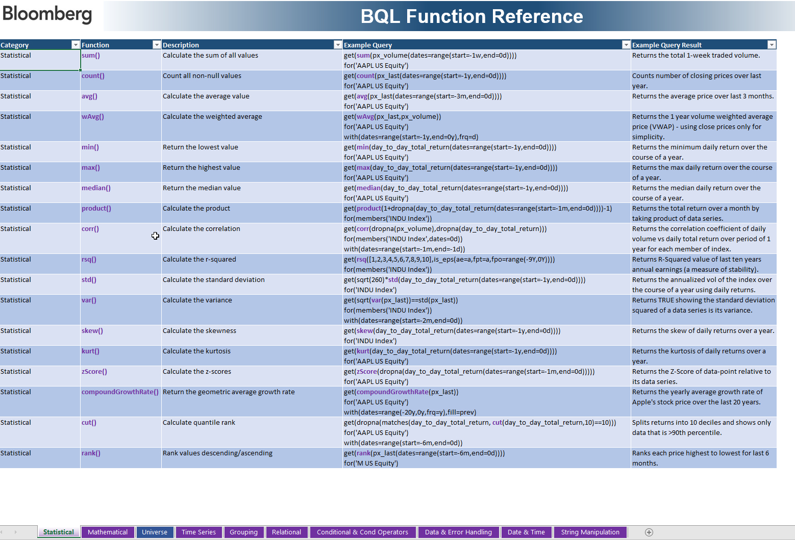

Subscribe to the BQL news wire, run NI BLPBQL <GO> and click Actions > Set Alert Delivery

Data Science in Bloomberg
Data Science with Bloomberg

If you are on the buyside and you're interested in using Bloomberg data for data science, there is now a solution for you - BQuant Enterprise.

How can it help you?
This new service delivers enterprise-wide benefits including:
* Unlimited data for research
* Connection to your own data or third party data on your databases
* Automate your workflows by scheduling tasks
* Complete customization of research environment, eg importing your own libraries
* Power up your analysis with integration into cloud services such as Azure and AWS

Example workflow:


If interested, please get in touch via bqntassist@bloomberg.net or reach out to your Bloomberg relationship manager.

BQL in Python
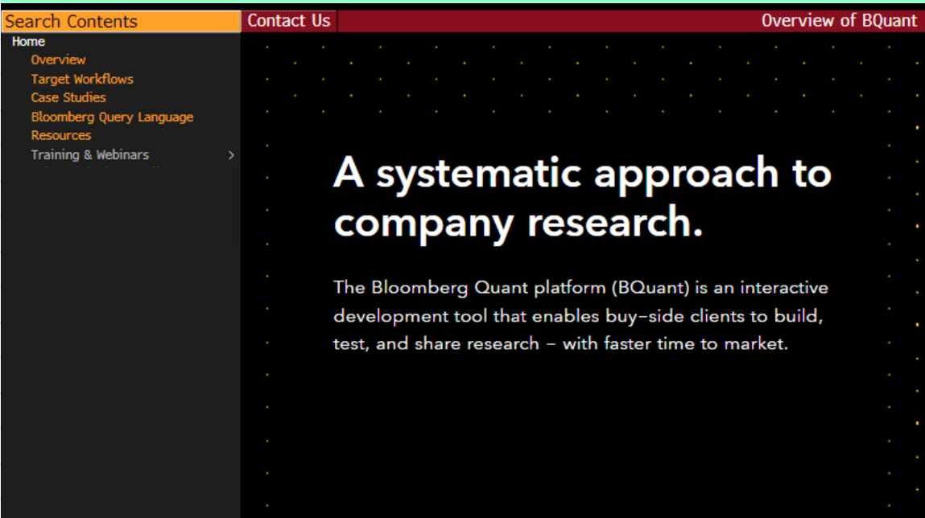
BQL in Python

BQL gives you the ability for server-side analytics - fast and efficient custom calculations with aggregation and screening to derive results.
You can use BQL in Excel, but Excel still imposes limitations such as:
- Limited computational speed
- Limited character limits in cells
- Limited list references in Excel

BQuant
Bloomberg has developed an interactive model development platform known as BQuant. This allows Buyside users with BBA to develop
dynamic models which easy visualization which they can simply share with others as Launchpad components.
We also offer the opportunity to learn Python. With BQL and Python, you will master the tools for next gen investment idea generation.

Here are some examples of applications you can develop in BQuant:


For more information, visit the following function: | BQIQ
Get in touch with your local Bloomberg rep for further details.

